AHBRA
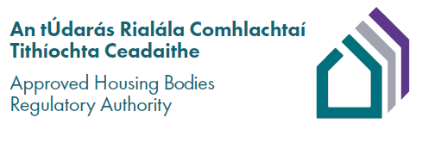

Approved Housing Bodies Register 13/08/2026

 | Summary

 | Registered | 450 AHBs
 | Removed from Register | 29 AHBs
 | Added to Register | 2 AHBs
 | Total (13/08/2026) | 423 AHBs

The Approved Housing Bodies Register is established and maintained by AHBRA. It will be reviewed and revised on a regular basis.
If you identify any errors or if you have any questions regarding the Approved Housing Bodies Register, please contact registration@ahbregulator.ie

Published on: 14/08/2026
Last updated on: 13/08/2026

